2024 Certified Local Farm Enter
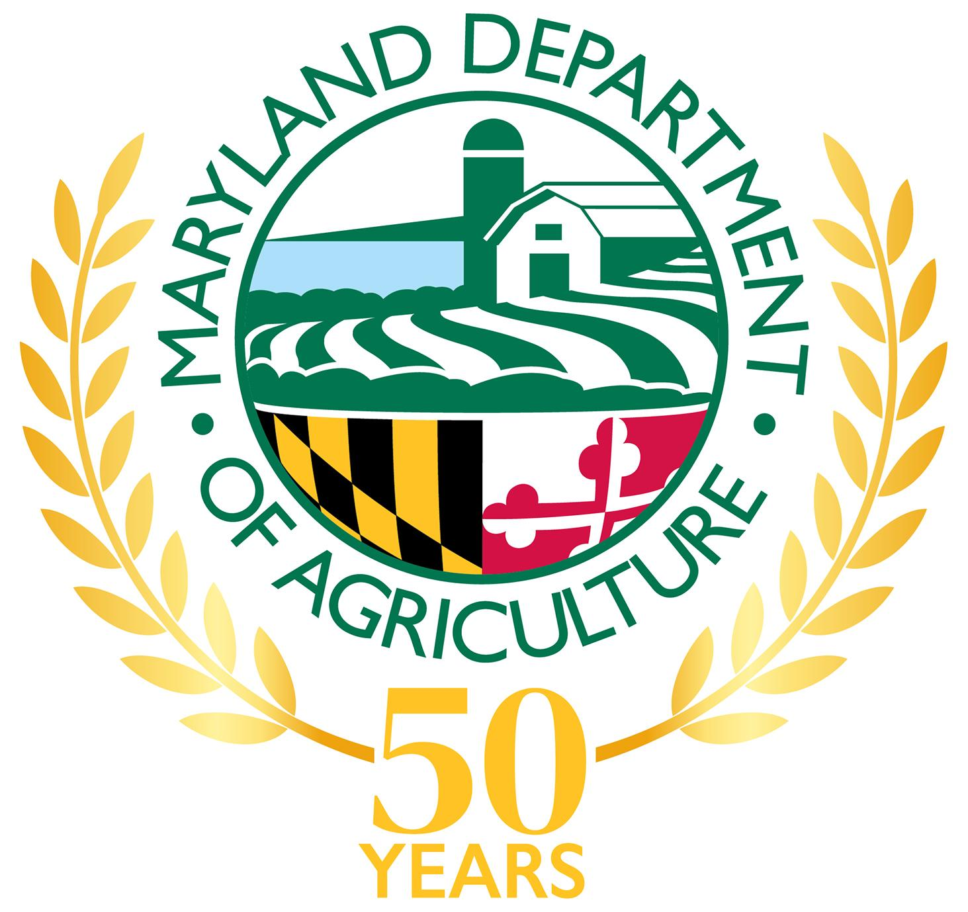
2024 Food Purchases Report
Reports and waivers are due by September 30, 2024 11:59 PM
Fiscal Year 2024 (The reported period is from July 1, 2023 to June 30, 2024)
The Maryland Department of Agriculture's (MDA) Certified Local Farm and Fish Program encourages state agencies, including public four-year universities, to achieve purchasing 20% of their food from Maryland's Certified Local Farm and Chesapeake Invasive Species Providers. Each state agency/university affected by the law must report on their food procurement. State agencies/universities must request a waiver if they do not achieve the 20% goal. The Waiver Request can be found under the tab labeled "Waiver Request" on this spreadsheet. You will need to review invoices from Fiscal Year 2024 to fill out the report. Failure to respond will result in a "Non-Responsive" in General Assembly's report. Authority: Agriculture Article, §2-103; State Finance and Procurement Article, §§14-701—14-707, Annotated Code of Maryland.
You can find the updated list of certified providers in this directory
More information on how to fill out the Report, refer to the 2024 Reporting Manual.
If you have any questions, contact: local.food@maryland.gov

Certified Local Farm and Chesapeake Invasive Species Providers = Certified Local Providers

 | Table 1: Agency Information
 | 1.1 | Agency Reporting:
 | 1.2 | Individual Completing Report: | Name
 |  |  | Email:
 |  |  | Phone:
 | 1.3 | Do you have a food contract before March 14, 2021?
 | 1.4 | People/day fed:
 |  | Meals/day:
 | 1.6 | Value of the food purchased ($) |  | $0.00
 | 1.7 | Payments to the Certified Local Providers ($) |  | $0.00
 | 1.8 | Participation (%). |  | #DIV/0!

Table 2: Food procurement by the Agency/University
2.1 | 2.2 |  |  | 2.3 | 2.4 | 2.5 | 2.6
Payments to the Certified Local Providers ($) | Name and certification # |  |  | Products | Prime Contractor | Contract details | Value of the food purchased ($)

$0.00 |  |  |  |  |  |  | $0.00

Note: add as many rows as necessary to the table

